Sheet1
 | X | Y |  |  |  |  |  |  | X | Y
 | 0.00 | 50000.00 | -1500.0000 | 55.0000 | -3.0000 | 0.1458 | -0.0057 | 0.000179 | X0 | Y0 | f[X1,X0] | f[X2;X1;X0] | f[X3;X2;X1;X0] | f[X4;X3;X2;X1;X0] | f[X5;X4;X3;X2;X1;X0] | f[X6;X5;X4;X3;X2;X1;X0]
 | 10.00 | 35000.00 | -400.0000 | -35.0000 | 2.8333 | -0.1375 | 0.0051 |  | X1 | Y1 | f[X2,X1] | f[X3;X2;X1] | f[X4;X3;X2;X1] | f[X5;X4;X3;X2;X1] | f[X6;X5;X4;X3;X2;X1]
 | 20.00 | 31000.00 | -1100.0000 | 50.0000 | -2.6667 | 0.1167 |  |  | X2 | Y2 | f[X3,X2] | f[X4;X3;X2] | f[X5;X4;X3;X2] | f[X6;X5;X4;X3;X2]
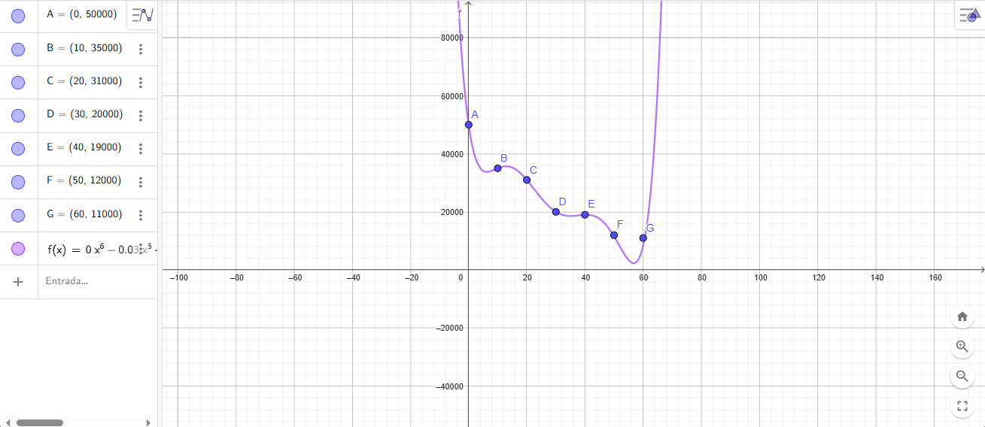
 | 30.00 | 20000.00 | -100.0000 | -30.0000 | 2.0000 |  |  |  | X3 | Y3 | f[X4,X3] | f[X5;X4;X3] | f[X6;X5;X4;X3]
 | 40.00 | 19000.00 | -700.0000 | 30.0000 |  |  |  |  | X4 | Y4 | f[X5,X4] | f[X6;X5;X4]
 | 50.00 | 12000.00 | -100.00 |  |  |  |  |  | X5 | Y5 | f[X6,X5]
 | 60.00 | 11000.00 |  |  |  |  |  |  | X6 | Y6

f7(x)=0.000179 x^6 - 0.03255 x^5 + 2.2373 x^4 - 71.973 x^3 + 1080.84 x^2 - 7040.8 x + 50000

 | Plan De Entregas diarias
 | Dia | Entrega
 | 0 | 0
 | 1 | -5086
 | 2 | -3512
 | 3 | -2270
 | 4 | -1317
 | 5 | -610
 | 6 | -113
 | 7 | 208
 | 8 | 384
 | 9 | 444
 | 10 | 413
 | 11 | 313
 | 12 | 164
 | 13 | -17
 | 14 | -215
 | 15 | -417
 | 16 | -613
 | 17 | -794
 | 18 | -952
 | 19 | -1083
 | 20 | -1184
 | 21 | -1253
 | 22 | -1288
 | 23 | -1290
 | 24 | -1261
 | 25 | -1203
 | 26 | -1119
 | 27 | -1015
 | 28 | -893
 | 29 | -759
 | 30 | -618
 | 31 | -477
 | 32 | -339
 | 33 | -211
 | 34 | -98
 | 35 | -4
 | 36 | 66
 | 37 | 108
 | 38 | 119
 | 39 | 98
 | 40 | 42
 | 41 | -47
 | 42 | -169
 | 43 | -322
 | 44 | -500
 | 45 | -699
 | 46 | -911
 | 47 | -1126
 | 48 | -1333
 | 49 | -1519
 | 50 | -1667
 | 51 | -1759
 | 52 | -1776
 | 53 | -1692
 | 54 | -1482
 | 55 | -1117
 | 56 | -564
 | 57 | 211
 | 58 | 1249
 | 59 | 2590
 | 60 | 4281

 | suma total | -40284
 | restantes | 9716

